MAWF original
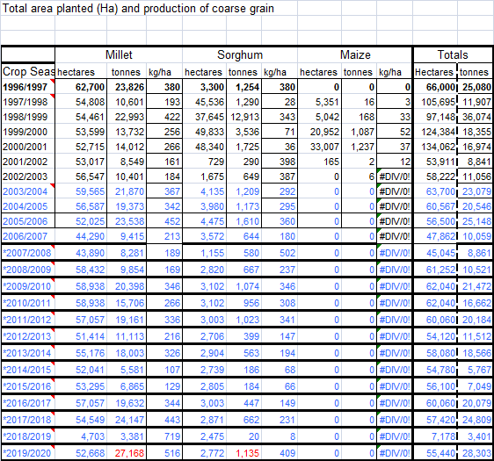
Commercial areas
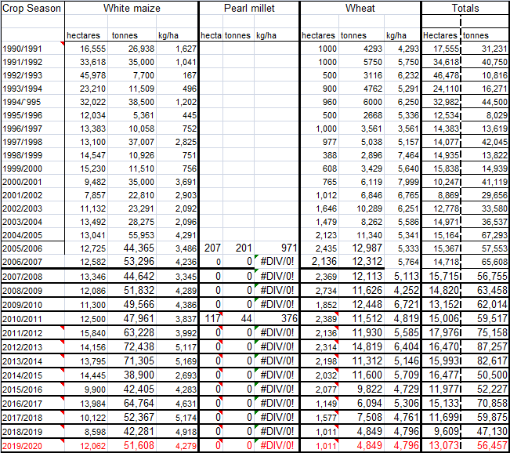

Zambezi
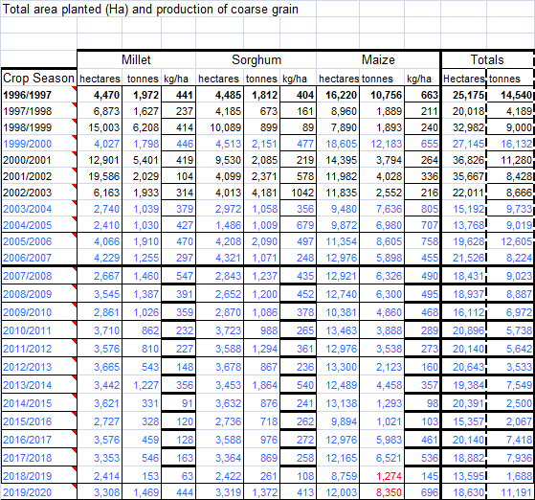

Kavango East and West regions

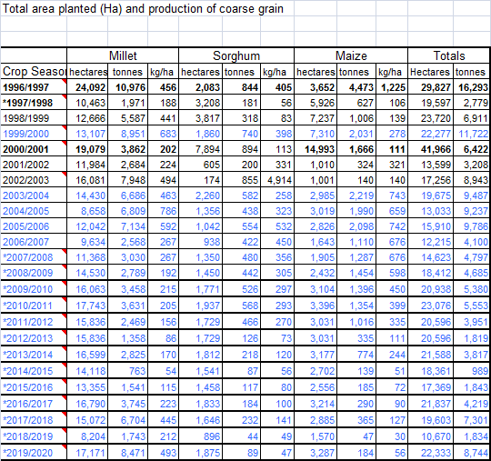

Omusati region

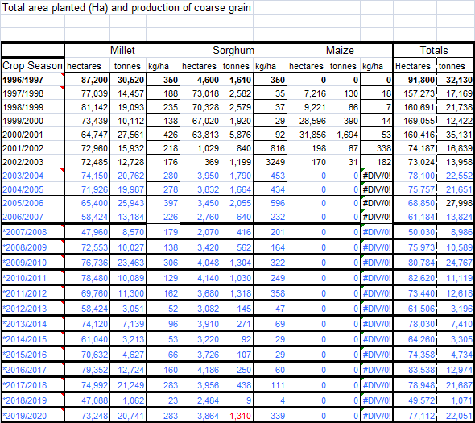

Ohangwena region
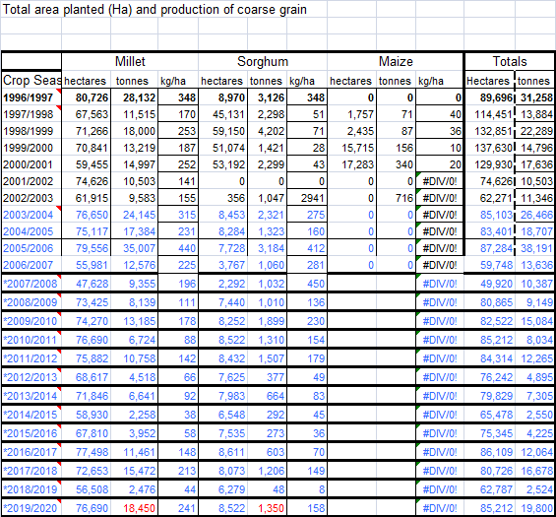

Oshana region
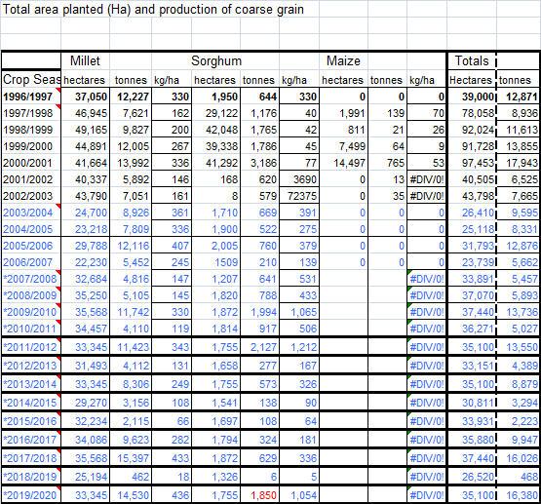

Oshikoto region

MAWF communal
Maize Production (2015/16)
Tons
 | 2010/11 | 2011/12 | 2012/13 | 2013/14 | 2014/15 | 2015/16 | 2016/17 | 2017/18 | 2018/19 | 2019/20 | Average | Population* | Households* | HH Size* | Household (%) produced [crop] in the last 12 monthsƚ | Nƚ | Amount of [crop] the household produced in the last 12 months (mean)ƚ | Amount of [crop] the household consumed from own production in the past 12 monthsƚ | Amount of [crop] the household gave away from own production in the past 12 monthsƚ | Amount of [crop] the household sold from own production in the past 12 monthsƚ | Amount of [crop] the household UNACCOUNTED from own production in the past 12 monthsƚ | Est. TOTAL [crop] production | Est. EXCESS [crop] production
White maize
Zambezi | 3,888 | 3,538 | 2,123 | 4,458 | 1,293 | 1,021 | 5,983 | 6,521 | 1,274 | 8,350 | 3,845 | 98,849 | 26,901 | 3.7 | 27.7 | 566 | 505 | 145 | 16 | 85 | 258 | 3,766 | 2,683
Kavango East and West | 1,354 | 1,016 | 335 | 774 | 139 | 185 | 290 | 365 | 47 | 184 | 469 | 237,779 | 52,894 | 4.5 | 26.1 | 1122 | 276 | 209 | 34 | 5 | 28 | 3,810 | 930
Omusati | - | - | - | - | - | - | - | - | - | - | - | 249,885 | 54,383 | 4.6 | 8.4 | 854 | 567 | 39 | 0 | 486 | 41 | 2,589 | 2,408
Ohangwena | - | - | - | - | - | - | - | - | - | - | - | 255,510 | 49,470 | 5.2 | 11.4 | 854 | 23 | 18 | 1 | 0 | 4 | 131 | 28
Oshana | - | - | - | - | - | - | - | - | - | - | - | 189,237 | 44,544 | 4.2 | 4.2 | 846 | 55 | 51 | 1 | 0 | 3 | 103 | 7
Oshikoto | - | - | - | - | - | - | - | - | - | - | - | 195,165 | 45,407 | 4.3 | 7.0 | 837 | 79 | 45 | 6 | 12 | 16 | 250 | 107
Millet Production (2015/16)
7 communal regions total | 5,242 | 4,554 | 2,458 | 5,232 | 1,432 | 1,206 | 6,273 | 6,886 | 1,321 | 8,534 | 4,314 | 1,226,425 | 273,599 | 4.5 |  |  |  |  |  |  |  | 10,649 | 6,163
Communal total | 5,242 | 4,554 | 2,458 | 5,232 | 1,432 | 1,206 | 6,273 | 6,886 | 1,321 | 8,534 | 4,314
Pearl millet
Zambezi | 862 | 810 | 543 | 1,227 | 331 | 328 | 459 | 546 | 153 | 1,469 | 673 | 98,849 | 26,901 | 3.7 | 4.0 | 566 | 100 | 68 | 9 | 22 | 1 | 107 | 34
Kavango East and West | 3,631 | 2,469 | 1,358 | 2,825 | 763 | 1,541 | 3,745 | 6,704 | 1,743 | 8,471 | 3,325 | 237,779 | 52,894 | 4.5 | 38.0 | 1122 | 430 | 338 | 31 | 20 | 42 | 8,646 | 1,863
Omusati | 10,089 | 11,300 | 3,051 | 7,139 | 3,213 | 4,627 | 12,724 | 21,249 | 1,062 | 20,741 | 9,520 | 249,885 | 54,383 | 4.6 | 59.0 | 854 | 454 | 264 | 15 | 15 | 160 | 14,553 | 6,089
Ohangwena | 6,724 | 10,758 | 4,518 | 6,641 | 2,258 | 3,952 | 11,461 | 15,472 | 2,476 | 18,450 | 8,271 | 255,510 | 49,470 | 5.2 | 66.6 | 854 | 375 | 229 | 12 | 2 | 133 | 12,359 | 4,806
Oshana | 4,110 | 11,423 | 4,112 | 8,306 | 3,156 | 2,115 | 9,623 | 15,397 | 462 | 14,530 | 7,323 | 189,237 | 44,544 | 4.2 | 38.9 | 846 | 294 | 183 | 5 | 7 | 98 | 5,090 | 1,911
Oshikoto | 15,706 | 19,161 | 11,113 | 18,003 | 5,581 | 6,865 | 19,632 | 24,147 | 3,381 | 27,168 | 15,076 | 195,165 | 45,407 | 4.3 | 51.9 | 837 | 281 | 169 | 14 | 7 | 91 | 6,610 | 2,622
7 communal regions total | 41,122 | 55,921 | 24,695 | 44,141 | 15,302 | 19,428 | 57,644 | 83,515 | 9,277 | 90,829 | 44,187 | 1,226,425 | 273,599 | 4.5 |  |  |  |  |  |  |  | 47,364 | 17,326
Communal total | 41,122 | 55,921 | 24,695 | 44,141 | 15,302 | 19,428 | 57,644 | 83,515 | 9,277 | 90,829 | 44,187
Sorghum
Zambezi | 988 | 1,294 | 867 | 1,864 | 876 | 718 | 976 | 869 | 261 | 1,372 | 1,009 | 98,849 | 26,901 | 3.7 | 2.0 | 566 | 78 | 65 | 4 | 0 | 9 | 42 | 7
Kavango East and West | 568 | 466 | 126 | 218 | 87 | 117 | 184 | 232 | 44 | 89 | 213 | 237,779 | 52,894 | 4.5 | 5.4 | 1122 | 150 | 123 | 10 | 4 | 13 | 431 | 77
Omusati | 1,030 | 1,318 | 145 | 271 | 92 | 107 | 250 | 438 | 9 | 1,310 | 497 | 249,885 | 54,383 | 4.6 | 25.5 | 854 | 79 | 55 | 2 | 0 | 22 | 1,100 | 337
Ohangwena | 1,310 | 1,507 | 377 | 664 | 292 | 273 | 603 | 1,206 | 48 | 1,350 | 763 | 255,510 | 49,470 | 5.2 | 25.3 | 854 | 30 | 24 | 0 | 1 | 5 | 374 | 79
Sorghum Production (2015/16)
Oshana | 917 | 2,127 | 277 | 573 | 138 | 108 | 324 | 629 | 6 | 1,850 | 695 | 189,237 | 44,544 | 4.2 | 11.2 | 846 | 70 | 32 | 7 | 4 | 27 | 352 | 192
Oshikoto | 956 | 1,023 | 399 | 563 | 186 | 184 | 447 | 662 | 20 | 1,135 | 558 | 195,165 | 45,407 | 4.3 | 8.7 | 837 | 63 | 46 | 4 | 3 | 10 | 251 | 70
7 communal regions total | 5,769 | 7,735 | 2,191 | 4,153 | 1,671 | 1,507 | 2,784 | 4,036 | 388 | 7,106 | 3,734 | 1,226,425 | 273,599 | 4.5 |  |  |  |  |  |  |  | 2,549 | 761
Communal total | 5,769 | 7,735 | 2,191 | 4,153 | 1,671 | 1,507 | 2,784 | 4,036 | 388 | 7,106 | 3,734
Wheat
No communal wheat

Source: cereal production data sent by Matheus Ndjodhi, MAWF on 29 June 2020; (i) data on national commercial production and 7 communal regions, and (i) national production for maize commercial and communal, millet, sorghum and wheat. |  |  |  |  |  |  |  |  |  |  |  | * Namibia Inter-censal Demographic Survey, 2016 Report
 |  |  |  |  |  |  |  |  |  |  |  | ƚ Analysis of 2015/16 Namibia Hosehold Income and Expenditure Survey
Communal: grow for own consumption and then sell suprplus, amount marketd is not the same as amount produced. These figures are "amount produced"

Total cereal availability
 | Tons
 |  | 2010/11 | 2011/12 | 2012/13 | 2013/14 | 2014/15 | 2015/16 | 2016/17 | 2017/18 | 2018/19 | 2019/20 | Average (2010/11-2018/19)

Cereal availability Average 2010-2019
Source | White Maize
NAB | imports | 81,111 | 55,305 | 105,742 | 170,234 | 82,527 | 120,650 | 110,229 | 50,483 | 59,608 |  | 92,877
NAB | commercial production marketed | 47,961 | 63,228 | 72,438 | 36,694 | 69,433 | 38,900 | 43,940 | 76,660 | 58,020 |  | 56,364
MAWF | communal | 5,242 | 4,554 | 2,458 | 5,232 | 1,432 | 1,206 | 6,273 | 6,886 | 1,321 | 8,534 | 4,314
 | Total white maize | 134,314 | 123,087 | 180,638 | 212,160 | 153,392 | 160,756 | 160,442 | 134,029 | 118,949 | 8,534 | 153,554
 | % communal | 4% | 4% | 1% | 2% | 1% | 1% | 4% | 5% | 1% | 100% | 3%

 | Wheat
NAB | imports | 65,519 | 84,543 | 87,726 | 85,257 | 103,035 | 95,190 | 121,261 | 104,261 | 118,698 |  | 96,166
NAB | commercial production marketed | 10,038 | 11,930 | 14,819 | 11,312 | 11,600 | 11,411 | 9,822 | 6,863 | 7,508 |  | 10,589
MAWF | communal | 0 | 0 | 0 | 0 | 0 | 0 | 0 | 0 | 0
 | Total wheat | 75,557 | 96,473 | 102,545 | 96,569 | 114,635 | 106,601 | 131,083 | 111,124 | 126,206 | - | 106,755

 | Mahangu
NAB | imports | 1,034 | 1,860 | 3,863 | 5,485 | 3,332 | 6,096 | 5,541 | 3,469 | 931 |  | 3,512
NAB | commercial production | - | - | - | - | - | - | - | - | - |  | -
MAWF | communal | 41,122 | 55,921 | 24,695 | 44,141 | 15,302 | 19,428 | 57,644 | 83,515 | 9,277 | 90,829 | 44,187
 | Total mahangu | 42,156 | 57,781 | 28,558 | 49,626 | 18,634 | 25,524 | 63,185 | 86,984 | 10,208 | 90,829 | 47,700
 | % communal | 98% | 97% | 86% | 89% | 82% | 76% | 91% | 96% | 91% | 100% | 93%

 | Sorghum
NAB | imports
NAB | production marketed
MAWF | communal | 5,769 | 7,735 | 2,191 | 4,153 | 1,671 | 1,507 | 2,784 | 4,036 | 388 | 7,106 | 3,734
 | Total sorghum | 5,769 | 7,735 | 2,191 | 4,153 | 1,671 | 1,507 | 2,784 | 4,036 | 388 | 7,106 | 3,734
 | % communal | 100% | 100% | 100% | 100% | 100% | 100% | 100% | 100% | 100% | 100% | 100%

 | Total all | 257,796 | 285,076 | 313,932 | 362,508 | 288,332 | 294,388 | 357,494 | 336,173 | 255,751 | 106,469 | 311,743
 | % imported and commercial wheat and maize | 79% | 75% | 89% | 84% | 92% | 90% | 80% | 71% | 95% | 0% | 82%
 | % imported wheat and maize | 57% | 49% | 62% | 70% | 64% | 73% | 65% | 46% | 70% | 0% | 61%

Sources: | NAB imports: | https://www.nab.com.na/agronomy/agronomy-statistics/#1585672377295-6a63b89c-ea10
 | NAB production marketed | https://www.nab.com.na/agronomy/agronomy-statistics/#1585672377295-6a63b89c-ea10
 | MAWF communal | cereal production data sent by Matheus Ndjodhi, MAWF on 29 June 2020; (i) 7 communal regions, and (i) national summary

NB. | Communal white maize is only grown in Zambezi and East and West Kavango

 | Get regional commercial data to see if there are regions with significantly greater proportion of communal mahangu and sorghum

 | Average total
 | imports maize | 92,876.56
 | commercial maize | 56,363.78
 | communal maize | 4,313.80
 | imports wheat | 96,165.56
 | commercial wheat | 10,589.22
 | imports mahangu | 3,512.33
 | communal mahangu | 44,187.40
 | communal sorghum | 3,734.00
 |  | 311,742.64 | 55,748 | 18%
 |  |  | ton/capita | kg/capita | kg/capita/day | g/c/d | FAO g/c/d
 | fortifiable maize | 149,240.33 | 0.060964188453 | 60.964188453 | 0.16702517384 | 167 | 119
 | total wheat | 106,754.78 | 0.04360897785 | 43.60897785 | 0.11947665164 | 119 | 99
 | fortifiable mahangu | 3,512.33 | 0.0014347766885 | 1.4347766885 | 0.0039308950369 | 4
 | communal mahangu | 44,187.40 | 0.018050408497 | 18.050408497 | 0.049453173964 | 49
 | total sorghum | 3,734.00 | 0.0015253267974 | 1.5253267974 | 0.0041789775271 | 4
 |  | 307,428.84
 | Namibia population | 2,448,000.00

